Script
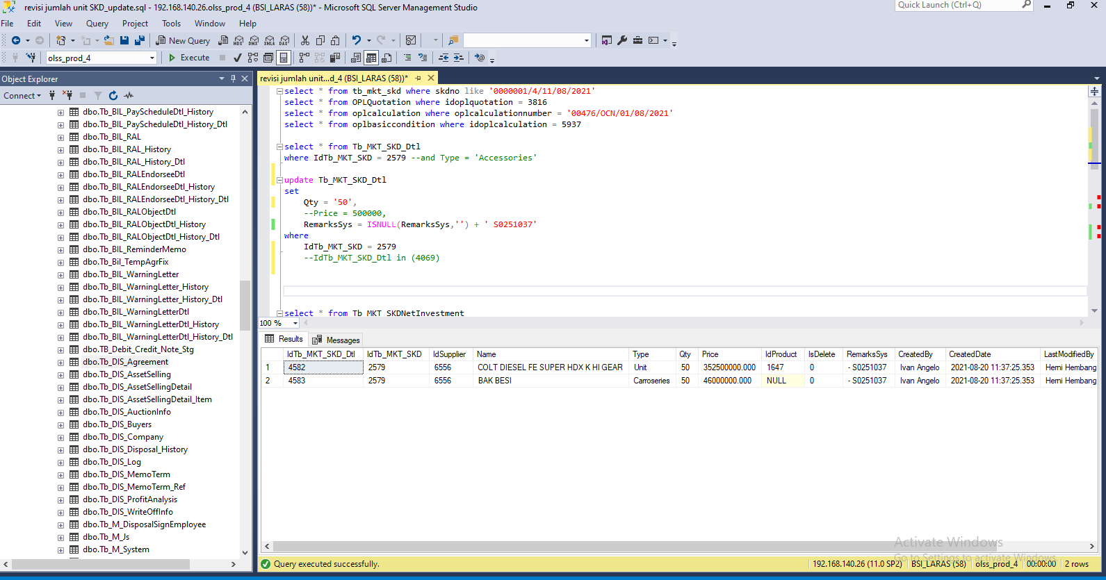
update Tb_MKT_SKD_Dtl
set
Qty = '50',
RemarksSys = ISNULL(RemarksSys,'') + ' S0251037'
where
IdTb_MKT_SKD = 2579

update Tb_MKT_SKDNetInvestment
set
Price = 18187547300,
Rv = 2985750000,
Net = 18187547300 - 2985750000
 | ,RemarksSys = ISNULL(RemarksSys,'') + ' S0251037'
where
IdTb_MKT_SKDNetInvestment = 2392

update Tb_MKT_SKDNetInvestmentStored
set
Price = 18187547300,
Rv = 2985750000,
Net = 18187547300 - 2985750000
 | ,RemarksSys = ISNULL(RemarksSys,'') + ' S0251037'
where
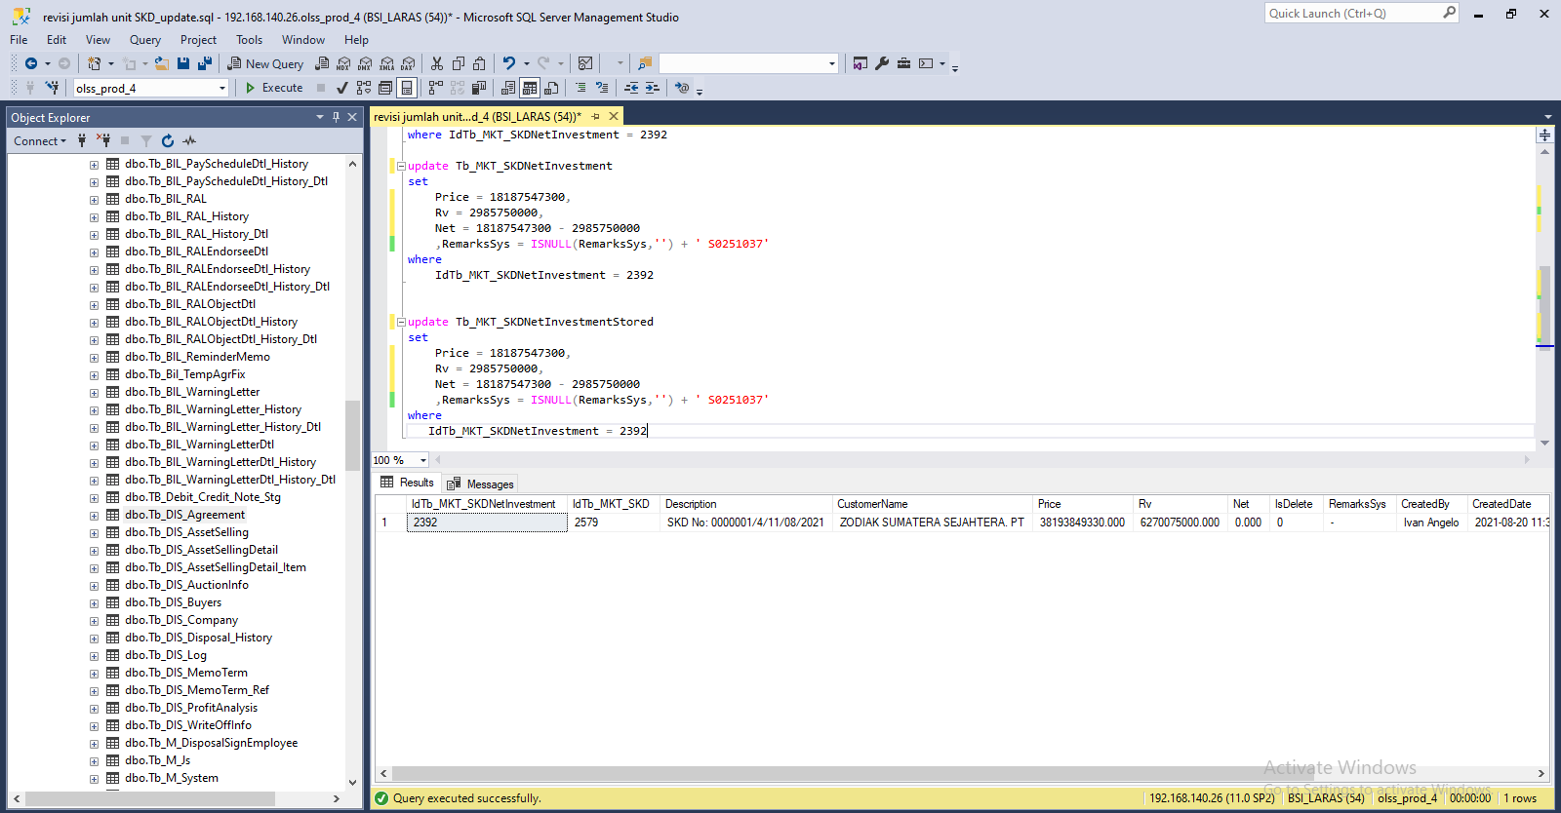
IdTb_MKT_SKDNetInvestment = 2392

NI (price) | 18,187,547,300.00
RV | 2,985,750,000.00
Net | 15,201,797,300.00

Capture
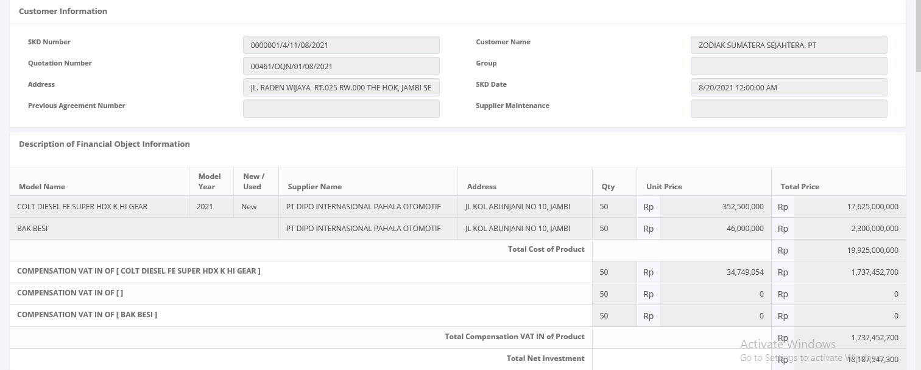
Before
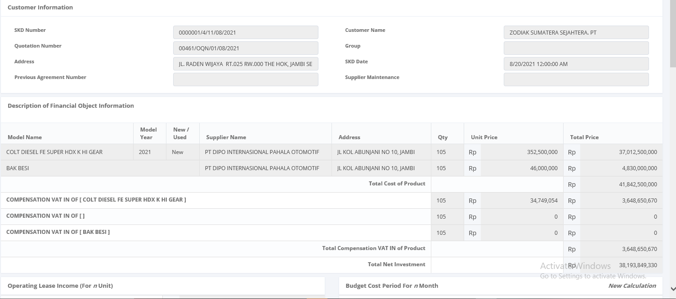

After

